Pie Charts
Pie Charts per August 31 2020

DISCLAIMER: As this article explains, the database has numerous serious limitations. Please do not assume it is a representative sample of SSEs.
For example, the fact that certain types of settings occur more frequently in the database than another types of settings do does not mean this is also the case in general.
The database is incomplete and there may also be numerous selection biases at play that may cause certain types of settings to be over- or underrepresented in the database.
So please do not draw hasty conclusions from the data.

The pies leave out all the settings with only a few occurences, so the pies are smaller than they would have been if all superspreading events in the database had been included.
Some categories (eg 'medical' and 'hospital', the various 'ship' subcategories, 'weddings' and 'funerals') are merged.
Only settings in the 'Setting1' column are counted, so if for example an event has 'worker housing' in that column and 'construction site' in the 'Setting2' column, the latter is not counted.
Also note that the 'sports: audience' category primarily consists of the soccer match in Italy, which is one of the only two superspreading events where the total case number is just a guess (the other is Mardi Gras).
Moreover, many transmission events associated with the soccer match likely took place around the match itself (transportation, bars, restaurants etc).
So this number should not be taken to mean that all (or even a significant amount of) transmission took place at the soccer match itself.

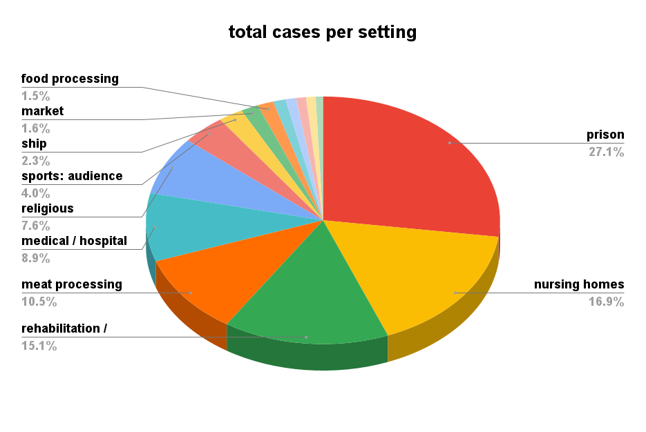

 | settings | total cases
1 | prison | 48078
2 | nursing homes | 29909
3 | rehabilitation / medical | 26797
4 | meat processing | 18562
5 | medical / hospital | 15803
6 | religious | 13484
7 | sports: audience | 7017
8 | ship | 3986
9 | market | 2840
10 | food processing | 2602
11 | worker housing | 2035
12 | army base | 1704
13 | development center | 1612
14 | bar | 1535
15 | factory | 1188
16 | wedding & funeral | 804
17 | party | 669
18 | school | 603
19 | farm | 495
20 | funeral | 353
21 | power plant | 340
22 | shopping | 294
23 | work | 259

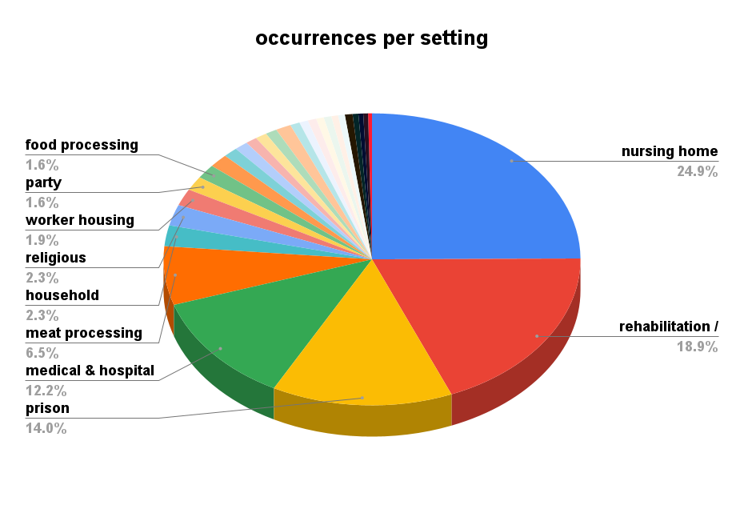
 | setting | occurrences
1 | nursing home | 334
2 | rehabilitation / medical | 253
3 | prison | 188
4 | medical & hospital | 163
5 | meat processing | 87
6 | household | 31
7 | religious | 31
8 | worker housing | 25
9 | party | 21
10 | food processing | 21
11 | bar | 20
12 | ship | 15
13 | school | 14
14 | work | 12
15 | meal | 12
16 | development center | 12
17 | wedding & funeral | 16
18 | factory | 10
19 | sports: participation | 9
20 | shopping | 9
21 | restaurant | 8
22 | conference | 8
23 | sports: fitness class | 7
24 | other | 7
25 | agriculture | 8
26 | shelter | 6
27 | travel | 5
28 | army base | 5
29 | construction site | 4

